Sheet1
Are there any criteria that have different weights in different ranking systems?
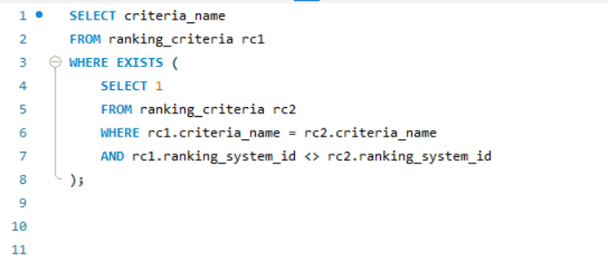

From the above result we conlude that there is no criteria that have different weights in different ranking systems

